References
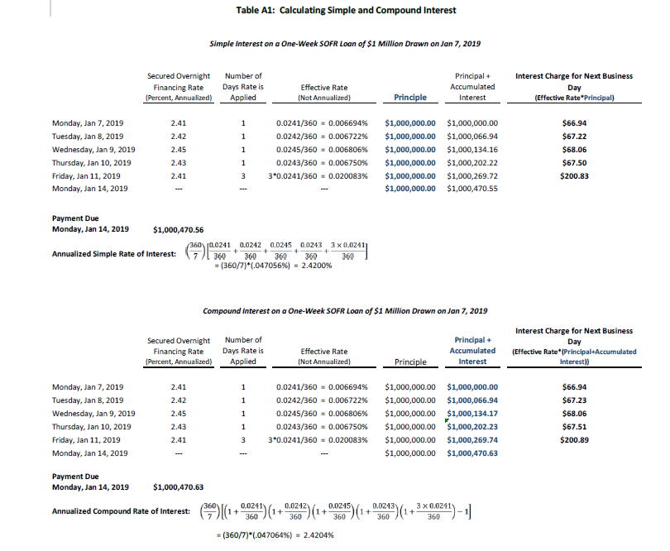
Per page 30 of "users-guide-to-sofr2021-update.pdf" published by the New York Federal Reserve

